OIS V3
 |  |  | STEP 1 | STEP 2 | STEP 3 | STEP 4
Tenor | X (Tenor, Years) | Rate (Given) | D(0,X) | f | ΣD(0,X) | PV | D(X-1,X) | pv+Do
6m | 0.5 | 0.25000% | 99.87516% | 0.24984% | NA | 0.12484% | 99.87516% | 100.00000%
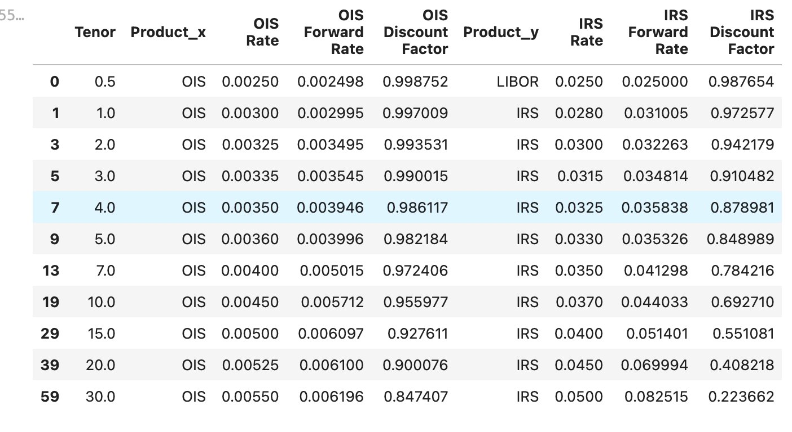
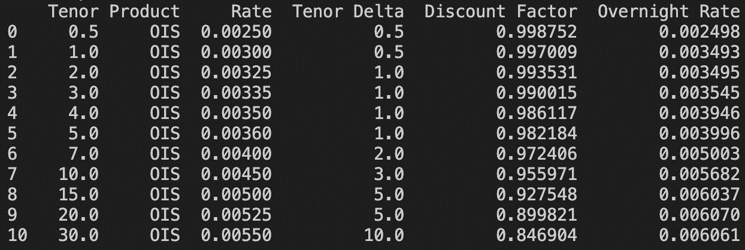
1y | 1 | 0.30000% | 99.70090% | 0.34926% | 99.70090% | 0.29910% | 99.82552% | 100.00000%
2y | 2 | 0.32500% | 99.35307% | 0.34948% | 199.05397% | 0.64693% |  | 100.00000%
3y | 3 | 0.33500% | 99.00151% | 0.35448% | 298.05549% | 0.99849% |  | 100.00000%
4y | 4 | 0.35000% | 98.61166% | 0.39456% | 396.66715% | 1.38834% |  | 100.00000%
5y | 5 | 0.36000% | 98.21841% | 0.39959% | 494.88556% | 1.78159% |  | 100.00000%
6y | 6 |  | 97.72949% | 0.49903% | 592.61506% | 2.27051% |  | 100.00000%
7y | 7 | 0.40000% | 97.24058% | 0.50154% | 689.85564% | 2.75942% |  | 100.00000%
8y | 8 |  | 96.69295% | 0.56477% | 786.54858% | 3.30705%
9y | 9 |  | 96.14532% | 0.56797% | 882.69390% | 3.85468%
10y | 10 | 0.45000% | 95.59769% | 0.57122% | 978.29159% | 4.40231%
11y | 11 |  | 95.03038% | 0.59521% | 1073.32197% | 4.96962%
12y | 12 |  | 94.46307% | 0.59877% | 1167.78504% | 5.53693%
13y | 13 |  | 93.89576% | 0.60238% | 1261.68080% | 6.10424%
14y | 14 |  | 93.32846% | 0.60603% | 1355.00926% | 6.67154%
15y | 15 | 0.50000% | 92.76115% | 0.60972% | 1447.77041% | 7.23885%
16y | 16 |  | 92.21044% | 0.59546% | 1539.98085% | 7.78956%
17y | 17 |  | 91.65973% | 0.59903% | 1631.64057% | 8.34027%
18y | 18 |  | 91.10902% | 0.60264% | 1722.74959% | 8.89098%
19y | 19 |  | 90.55830% | 0.60629% | 1813.30789% | 9.44170%
20y | 20 | 0.52500% | 90.00759% | 0.60999% | 1903.31548% | 9.99241%
21y | 21 |  | 89.48090% | 0.58689% | 1992.79639% | 10.51910%
22y | 22 |  | 88.95421% | 0.59035% | 2081.75060% | 11.04579%
23y | 23 |  | 88.42752% | 0.59386% | 2170.17811% | 11.57248%
24y | 24 |  | 87.90082% | 0.59741% | 2258.07894% | 12.09918%
25y | 25 |  | 87.37413% | 0.60100% | 2345.45307% | 12.62587%
26y | 26 |  | 86.84744% | 0.60463% | 2432.30051% | 13.15256%
27y | 27 |  | 86.32075% | 0.60831% | 2518.62126% | 13.67925%
28y | 28 |  | 85.79406% | 0.61203% | 2604.41531% | 14.20594% |  |  | 0.57122%
29y | 29 |  | 85.26736% | 0.61580% | 2689.68268% | 14.73264% |  |  | 0.60972%
30y | 30 | 0.55000% | 84.74067% | 0.61962% | 2774.42335% | 15.25933% |  |  | 0.60999%
 |  |  |  |  |  |  |  |  | 0.61962%

